Regular Plan Case
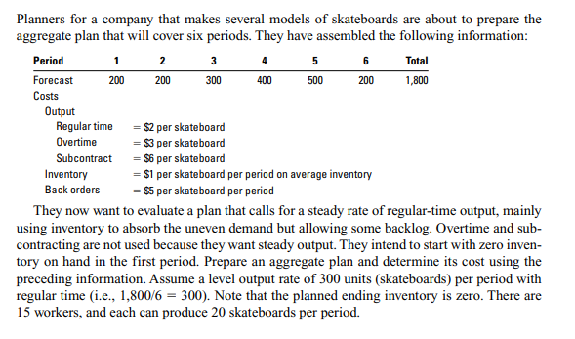
Reference: Stevenson,W.J.Operations Mangement(11th ed.). Aggregate Planning(p.486).
Capacity and Inventory Planning
Case: Aggregate Planning (Regular)
Production
Period | 1 | 2 | 3 | 4 | 5 | 6 | Total
Forecast | 200 | 200 | 300 | 400 | 500 | 200 | 1800
Regular | 300 | 300 | 300 | 300 | 300 | 300
Overtime
Subcontract
Output-Forecast | 100 | 100 | 0 | -100 | -200 | 100
Inventory
Beginning | 0 | 100 | 200 | 200 | 100 | 0
Ending | 100 | 200 | 200 | 100 | 0 | 0 | 600
Average | 50 | 150 | 200 | 150 | 50 | 0
Backlog |  |  |  |  | 100 |  | 100 | Costs
Costs |  |  |  |  |  |  |  | Regular Time | $2.00
Period | 1 | 2 | 3 | 4 | 5 | 6 | TotaL | Overtime | $3.00
Costs |  |  |  |  |  |  |  | Subcontract | $6.00
Regular | $600 | $600 | $600 | $600 | $600 | $600 | $3,600 | Inventory | $1.00
Overtime |  |  |  |  |  |  |  | Back Orders | $5.00
Subcontract
Hire/Layoff
Inventory | $50 | $150 | $200 | $150 | $50 | $- | $600
Back Orders | $- | $- | $- | $- | $500 | $- | $500
Total |  |  |  |  |  |  | $4,700
 | Forecast | Output
 | 200 | 300 | 1 | 1 | 1 | 1
 | 200 | 300
 | 300 | 300
 | 400 | 300
 | 500 | 300
 | 200 | 300
 |  |  |  |  |  | NOTE: The chart shows a bigger differnetial between forecast and production which caused the back orders of 100 QTY and costs of $ 500.

Overtime Plan Case
Reference: Stevenson,W.J.Operations Mangement(11th ed.). Aggregate Planning(p.487). |  |  |  |  |  |  |  | Costs
Capacity and Inventory Planning |  |  |  |  |  |  |  | Regular Time | $2.00
Case: Aggregate Planning (Overtime) |  |  |  |  |  |  |  | Overtime | $3.00
Production |  |  |  |  |  |  |  | Subcontract | $6.00
Period | 1 | 2 | 3 | 4 | 5 | 6 | Total | Inventory | $1.00
Forecast | 200 | 200 | 300 | 400 | 500 | 200 | 1800 | Back Orders | $5.00
Regular | 280 | 280 | 280 | 280 | 280 | 280 | 1680
Overtime |  |  | 40 | 40 | 40 |  | 120
Subcontract
Output-Forecast | 80 | 80 | 20 | -80 | -180 | 80
Inventory |  |  |  |  |  |  |  |  |  | Two Plans Comparison
Beginning | 0 | 80 | 160 | 180 | 100 | 0 |  |  |  |  | Costs | Regular Plan | Ovetime Plan
Ending | 80 | 160 | 180 | 100 | 0 | 0 | 520 |  |  |  | Regular | $3,600 | $3,360
Average | 40 | 120 | 170 | 140 | 50 | 0 |  |  |  |  | Overtime | $- | $360
Backlog |  |  |  |  | 80 |  | 80 |  |  |  | Inventory | $600 | $520
Costs |  |  |  |  |  |  |  |  |  |  | Back Orders | $500 | $400
Period | 1 | 2 | 3 | 4 | 5 | 6 | TotaL |  |  |  | Total Costs | $4,700 | $4,640
Costs
Regular | $560 | $560 | $560 | $560 | $560 | $560 | $3,360
Overtime | $- | $- | $120 | $120 | $120 | $- | $360
Subcontract
Hire/Layoff
Inventory | $40 | $120 | $170 | $140 | $50 | $- | $520
Back Orders | $- | $- | $- | $- | $400 | $- | $400
Total |  |  |  |  |  |  | $4,640

 |  | Note: Compared to the previous example depsite lower output the overtime output made a slight save in costs of back orders but higher inventory costs

